Sheet1
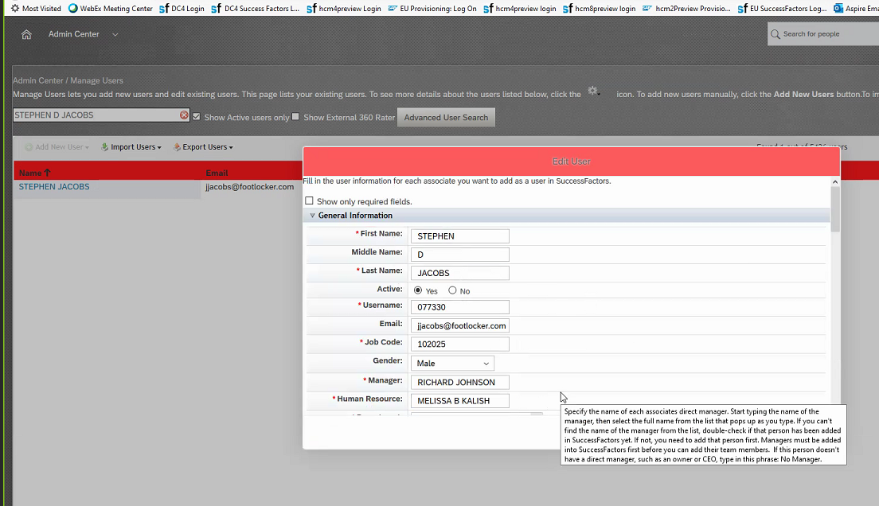
Verify Prod does NOT have Z Zubov reporting to Spencer as he was in Testing done

BEFORE LAUNCHING COMP PLAN FORMS

1. Create new year's Comp plan template. The launch program will use the template to create the forms sent to the Comp Planners which show all associates reporting directly to, or up to, them.
Individual associates receive a statement showing their increase.

2. Comp Team must review Guidelines (Merit Matrx update) & provide changes
3. Review/update Plan Instruction wording
4. Designate Comp Planners (CEO must be a Comp Planner since if the head of the company isn't a Comp Planner, you cannot set anyone under him to be a planner)
5. Update new year's Currency Conversion Rates table
6. Update new year's Salary Range table
7. Update Budget set-up

Note: Table fields are case sensitive, so if associate data says "ANNUAL", so must the pay range table, etc.

If you must re-launch the Comp forms (likely to need at least once each year after changes)

To do this, you must first delete the bad form. Each Comp Planner gets a form with the information for each person reporting to them or up to them through another manager. If one person is wrong, the whole form for the Comp Planner must be deleted. If the change is extensive, or there are multiple Planners affected, delete them all, fix what needs to be fixed. (This is not advised after Planners have updated forms with changes.) Only then can you re-launch.

One example of a problem requiring a form to be deleted/relaunched is if someone gets a comp plan statement created, but they haven't had a performance review created yet. The rating field will show as "N/A". To fix this, delete the form on which the associate appears, add a performance review for that associate, then re-launch the Comp form.

Ask Comp Team: Tiffany can setup a job to recalculate the comp forms after the UDF file is applied each day to take into account pay changes that could affect increase
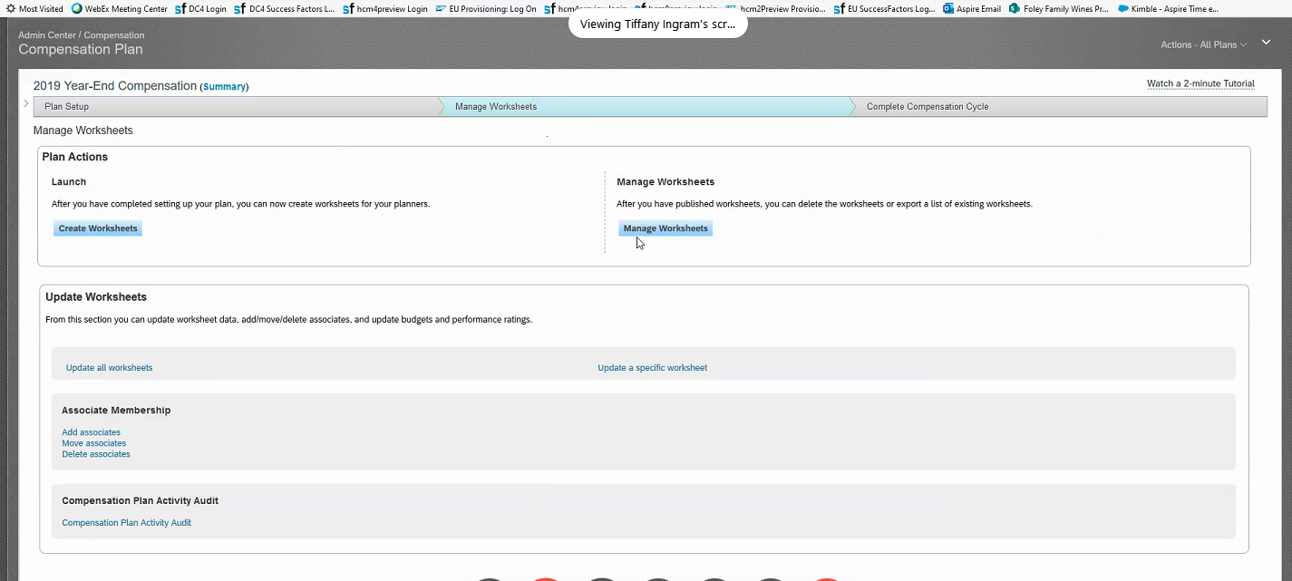

Ask Comp Team: Turn on "Executive Review" in the Calibration step?
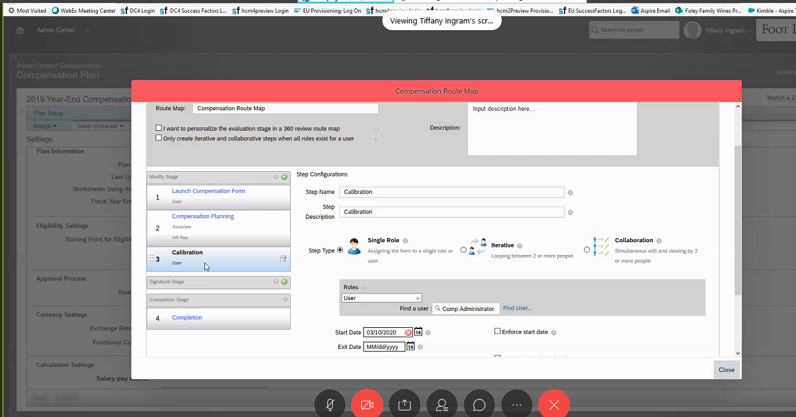

Information for Comp Team

The HR Mgr is the Human Resource attached to the Comp Planner in the associate data record. So, Melissa Kalish is Jake Jacob's HR Mgr. Executive Review would let other people review the statements

